7F_FRONT_SIDE_AHU_REPORT1
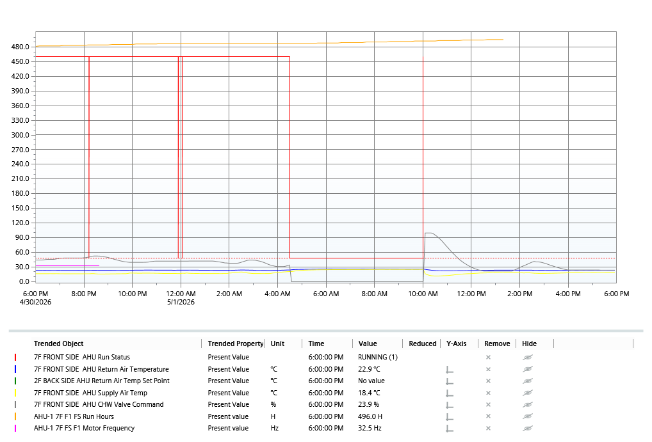
Staller 1425 | 7F AHU FRONT SIDE REPORT | 5/1/2026 5:08:36 PM
Current : 24 Hour(s)

